Example Schedule
CE-CERT YEAR-END TRANSFER OF FUNDS SCHEDULE
Property # | Description | PO# | Received Date | Unit Cost | Salvage Value | Total Amount to be Depreciated | Total Months to be depreciated (Useful Life) | Months Remaining | Amount Per Month | Total Depreciated To Date | BALANCE

065000156 | Fabrication F167-06 | 2212480 | Jun-06 | 558,676.90 | 0.00 | 558,676.90 | 120 | 72 | 4,655.64 | (223,470.76) | 335,206.14

 |  |  |  |  |  |  |  |  | 4,655.64

For your reference, I have listed the scheduled transfer for FY2009/2010 below:

Operating Fund to Charge: |  |  | A01012-60299-44 |  |  | 55,867.69 | = Amount per month X 12

Asset Acquistion Fund to Credit: |  |  | BC60-A01012-60298-44 |  |  | (55,867.69)

The schedule above (Months Remaining) has been updated to reflect the FY2009/2010 transfer.
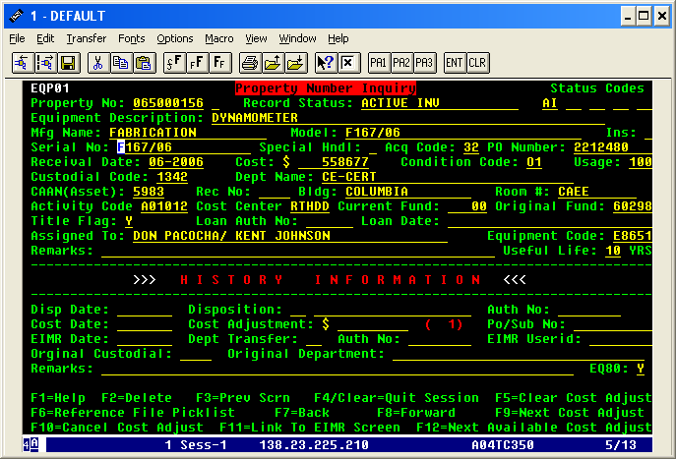

 |  |  |  |  |  |  |  |  | 10yrs X 12 = 120

